OA Robot
 | OA Robot Commands for Scaffolding
 | https://www.vertex42.com/lambda/scaffolding.html |  |  |  |  | © 2025 Vertex42 LLC

 | OA Robot provides a great way to store and retrieve your code skeletons. This page provides specific instructions on how to do that. It is assumed that you already have the OA Robot add-in for Excel installed.

☆ | 1) Create Your Own Collection of Robot Commands

 | The easiest way to do this is to save a custom Excel file into the Documents\OA Robot folder on your computer.
 | OA Robot will automatically load the commands from this file in the background without you even opening it.
 | You can start with a blank Excel worksheet and save it as "My Robot Commands.xlsx"
 | Tip: Save the file as .xlsm is you also want to use that file to store VBA macros

☆ | 2) Create a Basic Skeleton - Robot Command

 | Let's say that you want to use a robot command "Paste LET-REDUCE-LET Skeleton" to enter this skeleton as a formula in the active cell.

 | LET > REDUCE > LET
 |  | LET(input1,11, input2,22, red,REDUCE(init, SEQUENCE(1), LAMBDA(acc,x, LET(aa,11, bb,22, res,5, res ) )), red )

 | Step 1: | Open your "My Robot Commands.xlsm" file and run OA Robot by pressing CTRL+SHIFT+O

 | Step 2: | Click on the + and then "Add Command"
 |  | Note: If you have the formula in the active cell, the formula property will populate automatcially when you add the command (easier than copying and pasting it).

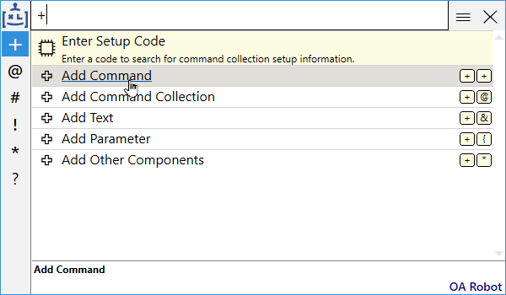

 | Step 3: | Click on Excel Formula Command

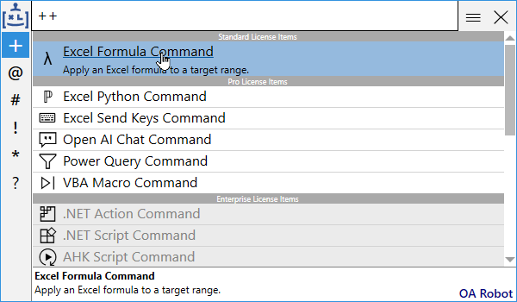

 | Step 4: | Edit the Command Properties with This Info
 |  | Name: |  | Paste LET-REDUCE-LET Skeleton
 |  | Description: |  | Paste a multi-line LET > REDUCE > LET formula skeleton into the current cell
 |  | Launch Codes: |  | skRED or LRL
 |  | Formula: |  | Copy and paste the formula into this field (this will get filled in automatically if the active cell had a formula in it already)
 |  | User Context Filter: |  | ExcelActiveCellIsEmpty (Not necessary, but User Context Filters can help)
 |  | Tags: |  | Use a tag such as "Skeleton" to filter all your Skeleton commands at once.

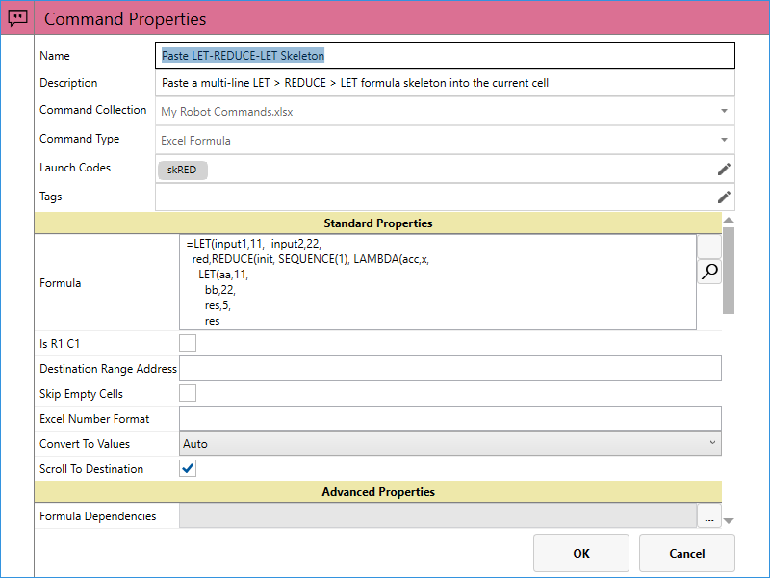

 | Step 5: | Select OK and Test It!
 |  | Select a blank cell. Press CTRL+SHIFT+O to open OA Robot. Type "skred" or "lrl" to find the command. Press Enter.

☆ | 3) Create a Scaffold Function with OA Robot

 | This example shows how to create a robot command to assign the currently copied range to the first parameter of a lambda function.
 | Scaffolding means essentially building code from another formula. The code skeleton is the scaffold, and you can use a lambda function to populate parts of the skeleton.

 | Step 1: | Use the same process as steps 1-4 above to create the "Paste Array as SWITCH Skeleton"
 |  | Name: |  | Paste Array as SWITCH Skeleton
 |  | Description: |  | Paste copied array of values from Clipboard as a SWITCH formula using skSWITCH
 |  | Launch Code: |  | psw
 |  | Formula: |  | =skSWITCH( [[Clipboard]] )
 |  | Context Filters: |  | ClipboardHasExcelData [AND] ExcelSelectionIsSingleCell [AND] ExcelCopiedRangesIsMultipleCells [AND] ExcelActiveCellIsEmpty

 |  | Note: The [[Clipboard]] placeholder is specific syntax OA Robot uses to insert the address of the range you have copied

 |  | Note: The User Context Filters tell OA Robot when your command should be allowed to be run. They aren't necessary to include, but they can help.
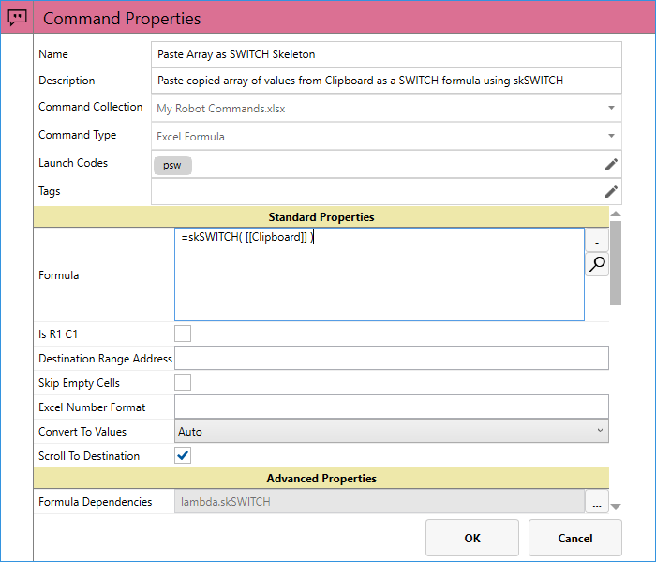

 |  | Command After: |  | Set the Command After property to run Evaluate Formulas. This will convert the return value of the lambda into a real formula.
 |  |  |  | Note: Make sure you have Formula Robot already registered

 | See the Formula Dependencies field in the above screenshot? We need to create that as a Text block in OA Robot

 |  | Note: Steps 2 & 3 can be done more easily if before Step 1 you first define the Lambda in your command collection in name manager (or using Lambda Robot).
 |  | Then add the command with your active cell containing the formula that invokes the Lambda.
 |  | You will only need to edit the formula to put in [[Clipboard]] but the formula dependency will be created automatically and attached to the command.

 | Step 2: | In OA Robot, go to +, Add Text, then select Default Text

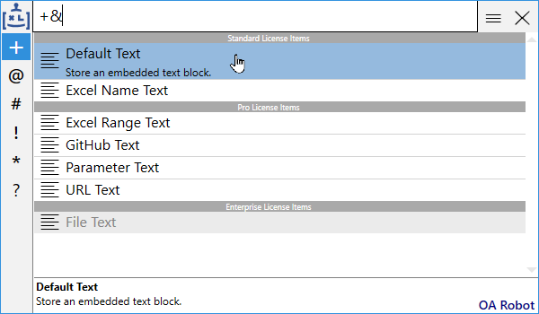

 | Step 3: | Edit the Text Properties with the following info

 |  | Name: |  | lambda.skSWITCH | ◄ Notice this is the text object's name that you will select in the next step
 |  | Description: |  | skSWITCH Lambda by Vertex42
 |  | Value: |  | Paste the skSWITCH lambda code into this box
 |  |  |  | https://www.vertex42.com/lambda/scaffolding.html
 |  | Type: |  | Excel Lambda

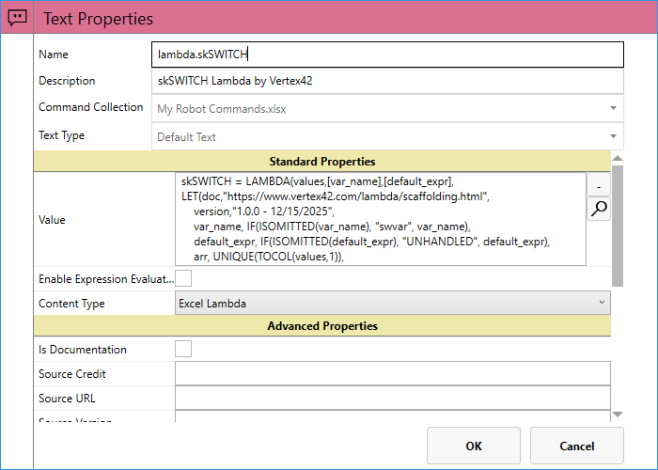

 | Step 4: | Select OK, then find your "Paste Array as SWITCH Skeleton" command and edit it.
 |  | (a) Scroll down to the Formula Dependencies field and click on […] button.
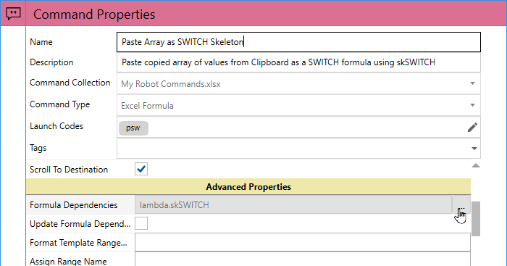

 |  | (b) Find the lambda.skSWITCH text object and select it.

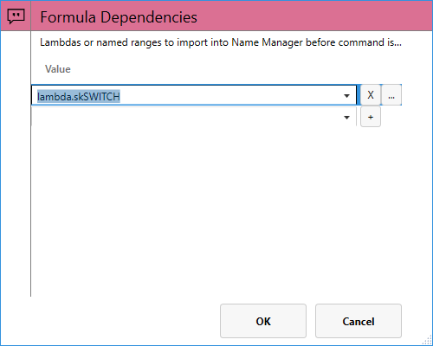

 |  | (c) Press OK to complete, then OK to finish editing the robot command.

 | Step 5: | Test it!
 |  | Select the array of values below and press Ctrl+c to copy to Clipboard. The select an empty cell.
 |  | Press CTRL+SHIFT+O to open OA Robot. Find your new command (press "psw") and Enter to execute.

 |  | ◄ | ◄ Copy this array, then select this cell:
 |  | ▼
 |  | ▲
 |  | ►

☆ | 4) OA Robot PRO Feature - Customize Input Parameters

 | Taking this example a step further, we could have OA Robot prompt for second parameter in the skSWITCH function.

 | Step 1: | Edit the Formula in the Robot Command
 |  | Formula: |  | =skSWITCH( [[Clipboard]], "{{switch_var_name}}" )
 |  | Note: "{{ … }}" is special syntax used by Robot Command to replace this value with a robot parameter, in this case using input generated from a user prompt
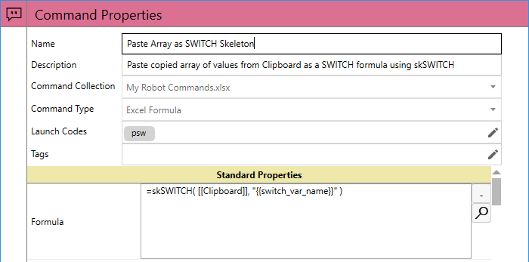

 | Step 2: | Scroll down to Parameters and click on the […] button

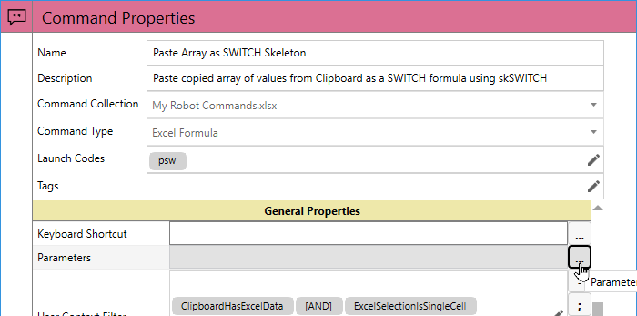

 | Step 3: | Edit the Parameter Properties with the following info

 |  | Name: |  | switch_var_name (Note: this is the exact name used in the "{{switch_var_name}}" part of the formula!
 |  | Description: |  | skSWITCH Second Parameter
 |  | Prompt: |  | Enter the name of the switch variable (default sw_var)
 |  | Default Value: |  | sw_var (Note: you'll need to scroll down to find this property)

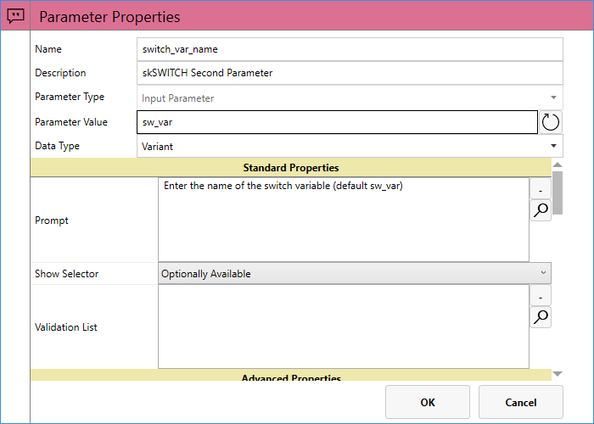

 | Step 4: | Test it! This time, you should see the following prompt when running the command.




