GuestList
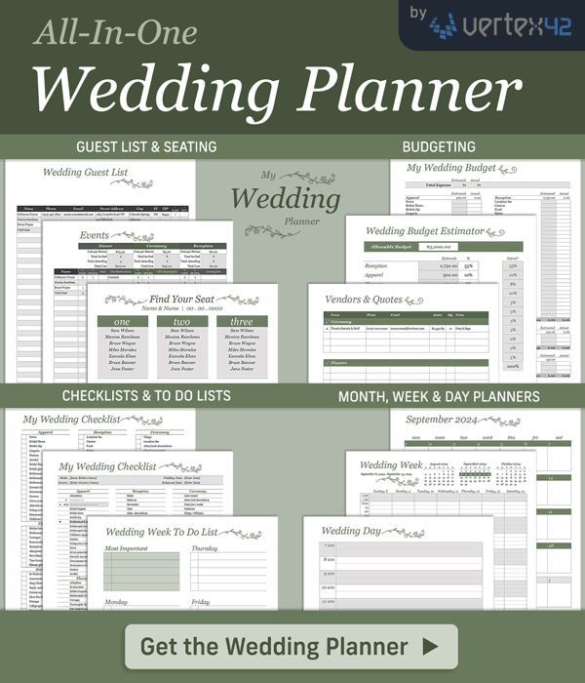
Wedding Guest List
https://www.vertex42.com/ExcelTemplates/wedding-guestlist-template.html |  |  |  |  |  |  |  |  |  |  |  |  |  |  | © 2013-2023 Vertex42 LLC

Dinner |  |  | Reception
Cost per Person | $25.50 |  | Cost per Person | $5.00
Total Invited | 6 |  | Total Invited | 8
Total Attending | 4 |  | Total Attending | 6
Total Cost | $102.00 |  | Total Cost | $30.00

 |  |  |  |  |  |  |  |  | Dinner |  |  |  | Reception
Name | Phone | Email | Street Address | City | ST | ZIP | √ Invited | √ RSVP | # Invited | # Attending | Seat | Diet Restrictions | # Invited | # Attending | Gift Description
Robinson Crusoe | (123) 456-7890 |  | unknown | unknown | NM |  | x | x | 2 | 1 |  | no coconuts | 2 | 1
Jack and Jill |  |  | 123 Hillside St | unknown |  |  | x | x |  |  |  |  | 2 | 2
Bruce Wayne |  |  | Wayne Manor | Gotham City |  |  | x | x | 1 | 1 |  | fruit and insects | 1 | 1
Clark Kent |  |  | 344 Clinton St, Apt #3B | Metropolis |  |  | x | x | 3 | 2 |  | sunlight | 3 | 2

Insert new rows above this line |  |  |  |  |  |  | [42]

