WeddingChecklist
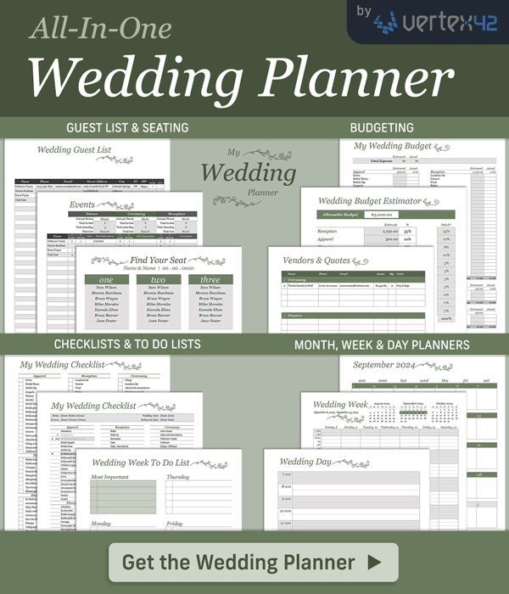
My Wedding Checklist
https://www.vertex42.com/ExcelTemplates/wedding-planning-checklist.html |  |  |  |  |  |  |  | © 2007-2023 Vertex42 LLC
 | Bride: | [Enter Bride's Name] |  |  |  |  | Wedding Date: | [Enter Date]
 | Groom: | [Enter Groom's Name] |  |  |  |  | Rehearsal Date: | [Enter Date]

★ | ✔ | APPAREL | ★ | ✔ | RECEPTION | ★ | ✔ | CEREMONY
 | ☐ | Alterations |  | ☐ | Baker |  | ☐ | Aisle runner
 | ☐ | Bridal gloves |  | ☐ | Balloons |  | ☐ | Altar/arch decorations
 | ✔ | Bridal headpiece/veil |  | ☐ | Bar tender |  | ☐ | Chair/pew rental
 | ☐ | Bridal lingerie | ★ | ☐ | Cake |  | ☐ | Childcare
 | ☐ | Bridal shoes |  | ☐ | Cake - decorations | ★ | ☐ | Clergy / Officiant
 | ☐ | Bridal slip |  | ✔ | Cake - knife |  | ☐ | Flower girl basket
 | ☐ | Bridesmaid accessories |  | ☐ | Caterer |  | ☐ | Gratuity
 | ☐ | Bridesmaid dresses |  | ☐ | Chairs |  | ☐ | Guest book/pen
 | ☐ | Bridesmaid shoes |  | ☐ | Childcare |  | ☐ | Location fee
 | ☐ | Children's apparel |  | ☐ | Decorations - Other |  | ☐ | Pew/chair decorations
 | ☐ | Garters |  | ☐ | Decorations - Table |  | ☐ | Ring bearer pillow
 | ☐ | Going-away outfit |  | ☐ | Dishes | ★ | ☐ | Transportation
★ | ☐ | Gown |  | ☐ | Entertainment |  | ☐ | Unity candle
 | ☐ | Gown preservation |  | ☐ | Food |  | ☐ | Ushers
★ | ☐ | Groom's tux and shoes |  | ☐ | Glassware | ★ | ✔ | REHEARSAL DINNER
 | ☐ | Groomsmen tuxes |  | ☐ | Gratuities |  | ☐ | Bartender
 | ☐ | Honeymoon clothes |  | ☐ | Groom's cake |  | ☐ | Caterer
 | ☐ | Hosiery |  | ☐ | Guest book |  | ☐ | Centerpieces
 | ☐ | Jewelry |  | ☐ | Limousine/Carriage |  | ☐ | Decorations
★ | ✔ | FLOWERS |  | ☐ | Linens |  | ☐ | Dishes
 | ☐ | Altarpiece |  | ☐ | Liquor |  | ☐ | Food
 | ☐ | Boutonnière |  | ☐ | Location fee |  | ☐ | Guest parking
★ | ✔ | Brides bouquet |  | ☐ | Musician |  | ☐ | Linens
 | ☐ | Bridesmaids bouquets |  | ☐ | Napkins |  | ☐ | Liquor
 | ☐ | Corsages |  | ☐ | Parking / Valet |  | ☐ | Music
 | ☐ | Flower girls' flowers |  | ☐ | Rice/Rose petals/bubbles |  | ☐ | Security
 | ☐ | Pew/chair bows |  | ☐ | Security |  | ☐ | Servers
 | ☐ | Reception centerpieces |  | ☐ | Servers |  | ☐ | Sound system
 | ☐ | Throw away bouquet |  | ☐ | Tables |  | ☐ | Tables/chairs
★ | ✔ | STATIONERY |  | ☐ | Transportation | ★ | ✔ | PHOTOGRAPHY & FILMING
 | ☐ | Address labels | ★ | ✔ | GIFTS & FAVORS |  | ☐ | Bridal portraits
 | ☐ | Announcements |  | ☐ | Attendant gifts |  | ☐ | Ceremony
 | ☐ | Calligrapher |  | ☐ | Favors |  | ☐ | Engagement portraits
 | ☐ | Cards - Ceremony |  | ☐ | Gift for fiancee |  | ☐ | Photo albums
 | ☐ | Cards - Map/direction | ★ | ✔ | MISCELLANEOUS |  | ☐ | Reception
 | ☐ | Cards - Reply |  | ☐ | Bride's journal / diary |  | ☐ | Videography
 | ☐ | Cards - Save the date |  | ☐ | Bridesmaids' luncheon | ★ | ✔ | RINGS
 | ☐ | Invitations - Bachelor party |  | ☐ | Consultant/coordinator |  | ☐ | Engagement ring
 | ☐ | Invitations - Bridesmaid luncheon |  | ☐ | Hairdresser |  | ☐ | Engraving
 | ☐ | Invitations - Rehearsal dinner |  | ☐ | Hotel for guests |  | ☐ | Wedding bands
 | ☐ | Newspaper announcement |  | ☐ | Make-up | ★ | ✔ | HONEYMOON
 | ☐ | Postage |  | ☐ | Manicure/pedicure |  | ☐ | Accommodations
 | ☐ | Thank you notes |  | ☐ | Manicure/pedicure for attendants |  | ☐ | Air fare
 | ☐ | Wedding programs | ★ | ☐ | Marriage license |  | ☐ | Entertainment
 | ☐ |  |  | ☐ | Wedding planner/organizer |  | ☐ | Limo / Rental car

