Breakdown
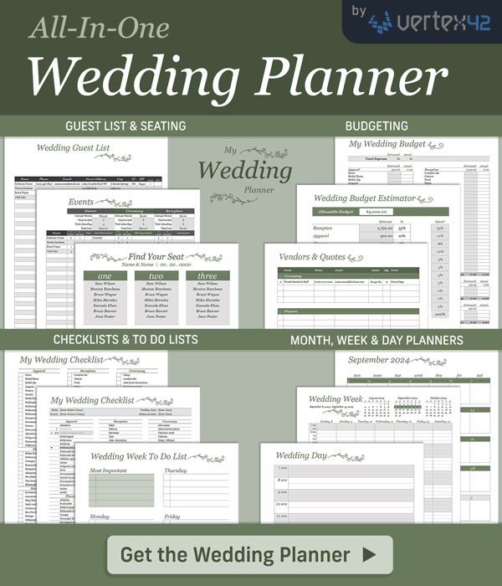
My Wedding Budget
https://www.vertex42.com/ExcelTemplates/wedding-budget.html |  |  |  |  |  | © 2007-2023 Vertex42.com

Instructions:
1. Use the Estimator worksheet to set the estimated budget for each major category.
2. Record estimated amounts for each item in each category, trying to stay below the Estimated budget
3. When you make a purchase, enter the actual unit cost and quantity in the Actual columns

 | Estimated |  |  | Actual
Total |  | $3,225 |  |  | $-

 |  | From estimator: | 500.00
Apparel | Unit cost | Est. qty | Est. amount | Unit cost | Actual qty | Actual amount
Gown | 3,141.00 | 1 | 3,141.00 |  |  | -
Bridal Shoes |  |  | - |  |  | -
Bridal slip |  |  | - |  |  | -
Lingerie |  |  | - |  |  | -
Hosiery |  |  | - |  |  | -
Jewelry |  |  | - |  |  | -
Bridal Headpiece/veil |  |  | - |  |  | -
Bridal gloves |  |  | - |  |  | -
Bridesmaid dresses |  |  | - |  |  | -
Bridesmaid accessories |  |  | - |  |  | -
Bridesmaid shoes | 42.00 |  | 42.00 |  |  | -
Groom's tux |  |  | - |  |  | -
Groomsmen tuxes |  |  | - |  |  | -
Groomsmen ties | 7.00 | 6 | 42.00 |  |  | -
Garters |  |  | - |  |  | -
Gown preservation |  |  | - |  |  | -
Alterations |  |  | - |  |  | -
Going-away outfit |  |  | - |  |  | -
Honeymoon clothes |  |  | - |  |  | -
Children's apparel |  |  | - |  |  | -
Total Apparel |  |  | 3,225.00 |  |  | -

 |  | From estimator: | 400.00
Flowers | Unit cost | Est. qty | Est. amount | Unit cost | Actual qty | Actual amount
Brides bouquet |  |  | - |  |  | -
Bridesmaids bouquets |  |  | - |  |  | -
Corsages |  |  | - |  |  | -
Boutonnière |  |  | - |  |  | -
Reception centerpieces |  |  | - |  |  | -
Altarpiece |  |  | - |  |  | -
Pew/chair bows |  |  | - |  |  | -
Toss bouquet |  |  | - |  |  | -
Flower girls' flowers |  |  | - |  |  | -
Total Flowers |  |  | - |  |  | -

[42] |  | From estimator: | 500.00
Photography / Video | Unit cost | Est. qty | Est. amount | Unit cost | Actual qty | Actual amount
Bridal portraits |  |  | - |  |  | -
Reception |  |  | - |  |  | -
Ceremony |  |  | - |  |  | -
Photo albums |  |  | - |  |  | -
Engagement portraits |  |  | - |  |  | -
Videography |  |  | - |  |  | -
Total Photography / Video |  |  | - |  |  | -

 |  | From estimator: | 150.00
Ceremony | Unit cost | Est. qty | Est. amount | Unit cost | Actual qty | Actual amount
Clergy |  |  | - |  |  | -
Location fee |  |  | - |  |  | -
Altar decorations |  |  | - |  |  | -
Arch or canopy |  |  | - |  |  | -
Chair/pew rental |  |  | - |  |  | -
Pew/chair decorations |  |  | - |  |  | -
Guest book/pen |  |  | - |  |  | -
Ring bearer pillow |  |  | - |  |  | -
Flower girl basket |  |  | - |  |  | -
Unity candle |  |  | - |  |  | -
Aisle runner |  |  | - |  |  | -
Ushers |  |  | - |  |  | -
Gratuity |  |  | - |  |  | -
Transportation |  |  | - |  |  | -
Childcare |  |  | - |  |  | -
Total Ceremony |  |  | - |  |  | -

 |  | From estimator: | -
Honeymoon | Unit cost | Est. qty | Est. amount | Unit cost | Actual qty | Actual amount
Air fare |  |  | - |  |  | -
Accommodations |  |  | - |  |  | -
Rental Car |  |  | - |  |  | -
Entertainment |  |  | - |  |  | -
Misc |  |  | - |  |  | -
Total Honeymoon |  |  | - |  |  | -

 |  | From estimator: | 250.00
Misc | Unit cost | Est. qty | Est. amount | Unit cost | Actual qty | Actual amount
Marriage license |  |  | - |  |  | -
Bridesmaids' luncheon |  |  | - |  |  | -
Hairdresser |  |  | - |  |  | - | [42]
Manicure/pedicure |  |  | - |  |  | -
Manicure/pedicure for attendants |  |  | - |  |  | -
Make-up |  |  | - |  |  | -
Wedding planner/organizer |  |  | - |  |  | -
Consultant/coordinator |  |  | - |  |  | -
Hotel for guests |  |  | - |  |  | -
Other |  |  | - |  |  | -
Total Misc |  |  | - |  |  | -

 |  | From estimator: | 2,750.00
Reception | Unit cost | Est. qty | Est. amount | Unit cost | Actual qty | Actual amount
Location fee |  |  | - |  |  | -
Caterer |  |  | - |  |  | -
Food |  |  | - |  |  | -
Baker |  |  | - |  |  | -
Musician |  |  | - |  |  | -
Bar tender |  |  | - |  |  | -
Liquor |  |  | - |  |  | -
Security |  |  | - |  |  | -
Wedding cake |  |  | - |  |  | -
Groom's cake |  |  | - |  |  | -
Cake knife |  |  | - |  |  | -
Cake decorations |  |  | - |  |  | -
Servers |  |  | - |  |  | -
Table decorations |  |  | - |  |  | -
Other decorations |  |  | - |  |  | -
Dishes |  |  | - |  |  | -
Glassware |  |  | - |  |  | -
Napkins |  |  | - |  |  | -
Linens |  |  | - |  |  | -
Tables |  |  | - |  |  | -
Chairs |  |  | - |  |  | -
Guest book |  |  | - |  |  | -
Entertainment |  |  | - |  |  | -
Rice/Rose petals/bubbles |  |  | - |  |  | -
Parking |  |  | - |  |  | -
Gratuities |  |  | - |  |  | -
Limousine/Carriage |  |  | - |  |  | -
Transportation |  |  | - |  |  | -
Childcare |  |  | - |  |  | -
Balloons |  |  | - |  |  | -
Total Reception |  |  | - |  |  | -

 |  | From estimator: | 150.00
Rings | Unit cost | Est. qty | Est. amount | Unit cost | Actual qty | Actual amount
Wedding bands |  |  | - |  |  | -
Engagement ring |  |  | - |  |  | -
Engraving |  |  | - |  |  | -
Total Rings |  |  | - |  |  | -

 |  | From estimator: | 150.00
Gifts & Favors | Unit cost | Est. qty | Est. amount | Unit cost | Actual qty | Actual amount
Attendant gifts |  |  | - |  |  | -
Gift for fiancee |  |  | - |  |  | -
Favors |  |  | - |  |  | -
Total Gifts & Favors |  |  | - |  |  | -

 |  | From estimator: | 150.00
Stationery | Unit cost | Est. qty | Est. amount | Unit cost | Actual qty | Actual amount
Invitations |  |  | - |  |  | -
Announcements |  |  | - |  |  | -
Map/direction cards |  |  | - |  |  | -
Reply cards |  |  | - |  |  | -
Ceremony cards |  |  | - |  |  | -
Save the date cards |  |  | - |  |  | -
Postage |  |  | - |  |  | -
Calligrapher |  |  | - |  |  | -
Newspaper announcement |  |  | - |  |  | -
Thank you notes |  |  | - |  |  | -
Rehearsal dinner invitations |  |  | - |  |  | -
Bridesmaid luncheon invitations |  |  | - |  |  | -
Bachelor party invitations |  |  | - |  |  | -
Wedding programs |  |  | - |  |  | -
Address labels |  |  | - |  |  | -
Total Stationery |  |  | - |  |  | -

 |  | From estimator: | -
Rehearsal dinner | Unit cost | Est. qty | Est. amount | Unit cost | Actual qty | Actual amount
Caterer |  |  | - |  |  | -
Bartender |  |  | - |  |  | -
Liquor |  |  | - |  |  | -
Tables/chairs |  |  | - |  |  | -
Decorations |  |  | - |  |  | -
Security |  |  | - |  |  | -
Music |  |  | - |  |  | -
Sound system |  |  | - |  |  | -
Guest parking |  |  | - |  |  | -
Dishes |  |  | - |  |  | -
Centerpieces |  |  | - |  |  | -
Linens |  |  | - |  |  | -
Food |  |  | - |  |  | -
Servers |  |  | - |  |  | -
Total Rehearsal dinner |  |  | - |  |  | -

