Sticker Set 1
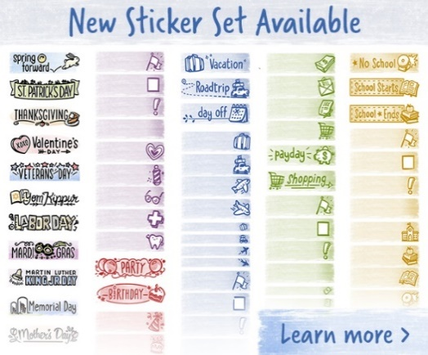
Digital Calendar Stickers |  |  |  |  | © 2025 Vertex42 LLC
Banner Collection |  |  |  |  | For help:
 |  |  |  |  | Visit our site for more info >
Step 1: Copy |  | Step 2: Select |  | Step 3: Paste
Copy a sticker with Ctrl+C |  | Click the cell where you |  | Paste the sticker with Ctrl+V
or mouse right-click (Copy) |  | want to place the sticker |  | or mouse right-click (Paste Picture)
REMINDERS | HEALTH | TRAVEL | FINANCE | SCHOOL | FUN | EXAMPLES
 |  |  |  |  |  | 2022-05-06

 |  |  |  |  |  | 2022-05-06

 |  |  | `

 |  |  |  |  |  | 2022-05-06

 |  |  |  |  |  | Family Vacation
 |  |  |  |  |  | Waterpark

 |  |  |  |  |  | 2022-05-06

 |  |  |  |  |  | Waterpark Trip

HOLIDAYS (A-Z) |  |  |  |  |  | 1900-01-31

https://www.vertex42.com/calendars/stickers.html

