VolatileCF
Conditional Formatting is Volatile |  |  |  |  | ABOUT THIS WORKSHEET
 |  |  |  | © 2020 Vertex42.com | The fire flickers whenever the
 |  |  |  |  | conditional formatting rules
 |  |  |  |  | are evaluated.

 |  |  |  |  | Conditional Formatting is volatile.
 |  |  |  |  | Rules are evaluated every time the
 |  |  |  |  | display refreshes.

 |  |  |  |  | See Also
 |  |  |  |  | Volatile Functions in Excel
 |  |  | Drop-Down: | No | Conditional Formatting in Excel

 |  |  | Slider: | 80

 |  |  |  | Press F9
 |  |  |  | Press Delete

 |  | Vertex42.com
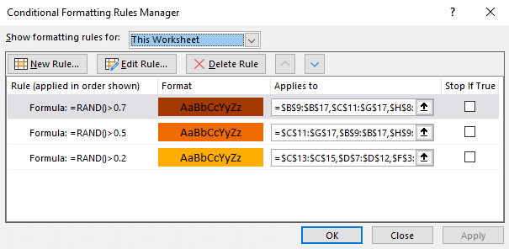

 | 100

