Examples
Conditional Formatting in Excel
https://www.vertex42.com/blog/excel-tips/how-to-use-conditional-formatting-in-excel.html |  |  |  |  |  |  | © 2017-2020 Vertex42 LLC

This workbook contains some examples from the article "How to Use Conditional Formatting in Excel" by Jon Wittwer. This Excel file and the content and code contained within is copyrighted and should be treated like other copyrighted material, such as a book. To share it or reference it, link to the article using the web page address listed above, but do not distribute the file or content within the file without permission. Thanks.

 | EXAMPLES

Intro to Conditional Formatting

 | Example: Color Scale |  |  | Example: Data Bars |  | Example: Duplicates
 | NAME | SALES |  | GRADE | NUMBER | NAMES
 | Mel | 123 |  | A | 5 | Mel
 | June | 43 |  | B | 10 | June
 | Chris | 176 |  | C | 8 | Chris
 | Maria | 89 |  | D | 3 | Mel
 | James | 105 |  | F | 2 | Will
 | Will | 25

 | Example: Icon Sets
 | AMOUNT | BALANCE
 | $50.00 | $550.00
 | -325.00 | 225.00
 | -150.00 | 75.00
 | -80.00 | -5.00
 | 150.00 | 145.00
 | 600.00 | 745.00

TEMPLATE | See it in action: Check Register Template

For examples of other ways to use Icon Sets, see the Feature Comparison Template.

TEMPLATE | See it in action: Feature Comparison Template

Highlight an Overdue Date

 | Machine | Next Calibration
 | Machine 1 | 2019-05-02 |  |  | Conditional Formatting > Highlight Cells Rules > Less Than…
 | Machine 2 | 2019-04-15 |  |  | Enter =TODAY()
 | Machine 3 | 2019-07-01 |  |  | Choose one of the formats from the dropdown and click on OK
 | Machine 4 | 2019-08-05

TEMPLATE | See it in action: Equipment Calibration Log

In-Cell Progress Bar

 | Progress: | 45%

Data Bar Showing Negative and Positive

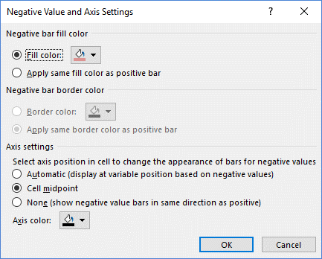
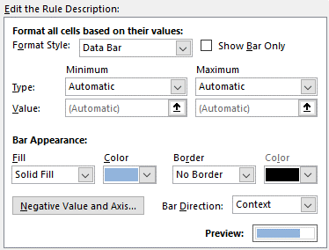
 |  | -Dx | +Dx
 | Variable 1 | 20 | 20
 | Variable 2 | -15 | 15
 | Variable 3 | 12 | -12
 | Variable 4 | -5 | 8
 | Variable 5 | 1 | -1

Data Bars Comparing Two Groups

 | * Important: Make sure the Min/Max range and columns widths are the same..

 | Cons | Value (0-10) | Value (0-10) | Pros
 | Problem 1 | 3 | 4 | Benefit 1
 | Problem 2 | 5 | 5 | Benefit 2
 | Problem 3 | 8 | 6 | Benefit 3
 | Problem 4 | 2 | 5 | Benefit 4
 | Problem 5 | 7 | 8 | Benefit 5

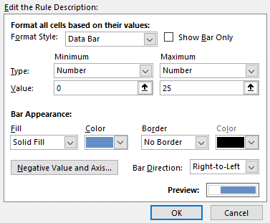
TEMPLATE | See it in action: Pros and Cons List

 | 2017 US Population (in millions)
 | Age | Male | Female
 | 80+ | 4.79 | 7.65
 | 70 to 79 | 9.85 | 11.74
 | 60 to 69 | 17.49 | 19.34
 | 50 to 59 | 21.22 | 22.19
 | 40 to 49 | 20.14 | 20.48
 | 30 to 39 | 21.71 | 21.5
 | 20 to 29 | 23.25 | 22.24
 | 10 to 19 | 21.41 | 20.5
 | Under 10 | 20.57 | 19.68

WRONG | 2017 US Population (in millions)
 | Age | Male | Female
 | 80+ | 4.79 | 7.65
 | 70 to 79 | 9.85 | 11.74
 | 60 to 69 | 17.49 | 19.34
 | 50 to 59 | 21.22 | 22.19
 | 40 to 49 | 20.14 | 20.48
 | 30 to 39 | 21.71 | 21.5
 | 20 to 29 | 23.25 | 22.24
 | 10 to 19 | 21.41 | 20.5
 | Under 10 | 20.57 | 19.68

 | 2017 US Population (in millions)
 | Age | Male
 |  | Female
 | 80+ | 4.79
 |  | 7.65
 | 70 to 79 | 9.85
 |  | 11.74
 | 60 to 69 | 17.49
 |  | 19.34
 | 50 to 59 | 21.22
 |  | 22.19
 | 40 to 49 | 20.14
 |  | 20.48
 | 30 to 39 | 21.71
 |  | 21.5
 | 20 to 29 | 23.25
 |  | 22.24
 | 10 to 19 | 21.41
 |  | 20.5
 | Under 10 | 20.57
 |  | 19.68

Control Scaling of Data Bars and Color Scales via Linked Cells

Can the Min / Max settings for a Data Bar be Linked to cells? YES

 | Chart Using Data Bars
 | 72 |  |  |  | Change a single bar color
 | 30 |  |  |  | Step 1: Clear the rules from the selected cell
 | 40 |  |  |  | Step 2: Copy paste from one of the others (uses the same settings)
 | 23 |  |  |  | Step 3: Modify the rule/format
 | 60

 | Minimum | Maximum
 | -20 | 100

Highlight Every Other Row

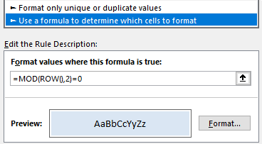
 | Date | Expense |  | Amount
 | 2019-04-17 | Copy Paper |  | 24.50
 | 2019-04-19 | Pens |  | 12.45
 | 2019-04-20 | Printer Cartridge |  | 58.95

Highlight an Entire Row Based on One Cell

TEMPLATE | Work Breakdown Structure Template

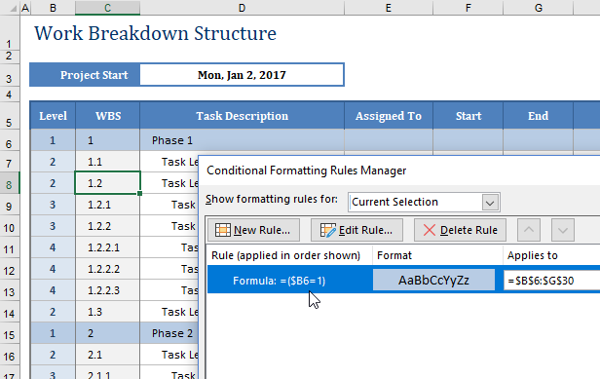

Highlighting Dates in a Calendar

TEMPLATE | Yearly Event Calendar

TEMPLATE | Perpetual Calendar (yearly view)
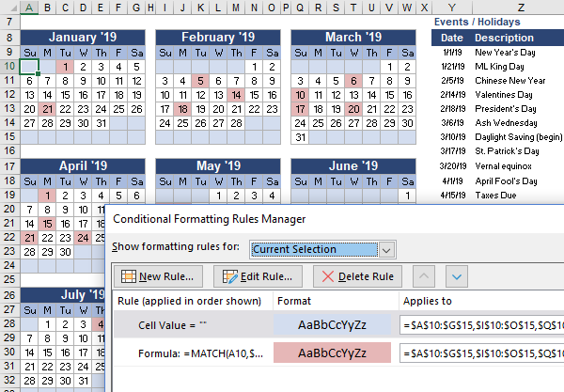

TEMPLATE | Yearly Schedule of Events (multiple colors)

Displaying a Gantt Chart

VIDEO | How to Make a Gantt Chart in Excel

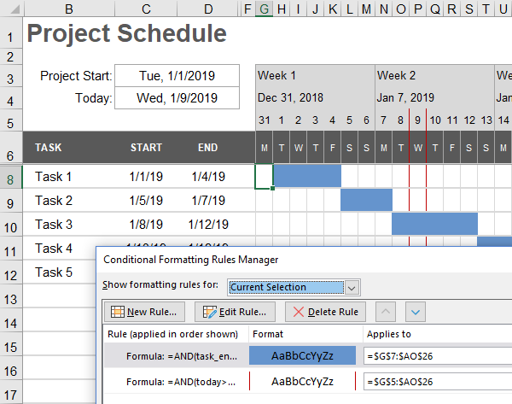
1
2
1
2

10 Separate Simultaneous Effects with Conditional Formatting

 | Default Format |  |  | 1
 | 1. Number Format |  |  | 1
 | 2. Font Style (Bold) |  |  | 2
 | 3. Font Color (Blue) |  |  | 3
 | 4. Font Effects (strike-through) |  |  | 4
 | 5. Font Underline (double) |  |  | 5
 | 6. Fill Color/Effects/Scale (green) |  |  | 6
 | 7. Fill Pattern (gray crosshatch) |  |  | 7
 | 8. Border Style/Color (red solid) |  |  | 8
 | 9. Data Bar |  |  | 9
 | 10. Icon Set |  |  | 10

Modify Custom Number Formats using Conditional Formatting

See Also | Custom Number Formats in Excel

Modify the Date Format

 | Date Format | dmy | Date | 2019-05-23

 | Rule Formula | =(ref="dmy")

Modify the Time Format

 | Time Format | 24hour | Time | 16:34:00

 | Rule Formula | =(ref="24hour")

Display Decimals or Fractions

 | Display | fraction | Inches | 34.567

 | Rule Formula | =(ref="fraction")

Automatic Indenting

 | WBS | Task |  | Format Codes
 | 1 | Task
 | 1.1 | Task |  | " "@
 | 1.2 | Task |  | " "@
 | 1.2.1 | Task |  | " "@
 | 1.2.2 | Task |  | " "@

 | Rule Formulas | =LEN($C91)-LEN(SUBSTITUTE($C91,".",""))=1
 |  | =LEN($C91)-LEN(SUBSTITUTE($C91,".",""))=2

See Also | Count the number of spaces in a text string

Hide Zero Values

 | Value | White Text | " - " | " "
 | $3.54 | $3.54 | $3.54 | $3.54
 | $0.00 | $0.00 | $0.00 | $0.00
 | $0.00 | $0.00 | $0.00 | $0.00
 | $2.41 | $2.41 | $2.41 | $2.41
 | $12.40 | $12.40 | $12.40 | $12.40

Display Thousands, Millions, or Billions Based on Value

 | Shares |  | Formats
 | 23500000 |  | 0.0,K
 | 9999 |  | 0.0,,M
 | 34567898267 |  | 0.0,,,B
 | 123

Create Your Own Icon Sets Using Unicode Characters / Emojis

 | $ Left Over |  | Formats
 | -300.00 |  | 0* 😠
 | -50.00 |  | 0* 🙁
 | 50.00 |  | 0* 🙂
 | 260.00 |  | 0* 😃
 | 530.00 |  | 0* 😍

Combined 3-Color Scale with Data Bars

 | 100%
 | 50%
 | 25%
 | 2%
 | 75% |  | Vertex42.com

 | REFERENCES

ARTICLE | Using Unicode Characters in Excel

ARTICLE | Add Cool Features to Your To Do Lists in Excel

